C4.1
Back to contents
 | Chart 4.1: National Accounts taxes as a share of GDP

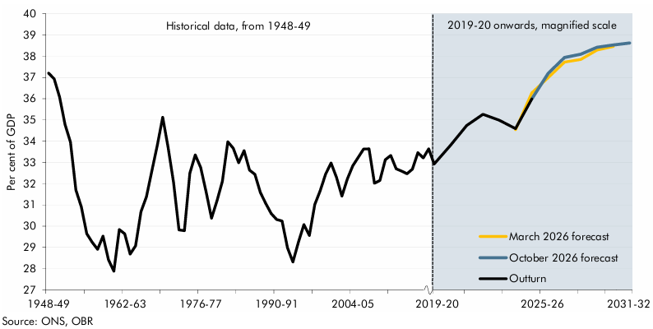

 | Year | Outturn | March 2026 forecast | October 2026 forecast
 | 1948-49 | 37.2
 | 1949-50 | 36.9
 | 1950-51 | 36.1
 | 1951-52 | 34.8
 | 1952-53 | 34.0
 | 1953-54 | 31.7
 | 1954-55 | 30.9
 | 1955-56 | 29.6
 | 1956-57 | 29.2
 | 1957-58 | 28.9
 | 1958-59 | 29.5
 | 1959-60 | 28.4
 | 1960-61 | 27.9
 | 1961-62 | 29.8
 | 1962-63 | 29.6
 | 1963-64 | 28.7
 | 1964-65 | 29.1
 | 1965-66 | 30.7
 | 1966-67 | 31.4
 | 1967-68 | 32.6
 | 1968-69 | 33.8
 | 1969-70 | 35.1
 | 1970-71 | 33.7
 | 1971-72 | 32.1
 | 1972-73 | 29.8
 | 1973-74 | 29.8
 | 1974-75 | 32.5
 | 1975-76 | 33.4
 | 1976-77 | 32.8
 | 1977-78 | 31.6
 | 1978-79 | 30.4
 | 1979-80 | 31.2
 | 1980-81 | 32.1
 | 1981-82 | 34.0
 | 1982-83 | 33.7
 | 1983-84 | 33.0
 | 1984-85 | 33.6
 | 1985-86 | 32.6
 | 1986-87 | 32.4
 | 1987-88 | 31.6
 | 1988-89 | 31.1
 | 1989-90 | 30.6
 | 1990-91 | 30.3
 | 1991-92 | 30.2
 | 1992-93 | 29.0
 | 1993-94 | 28.3
 | 1994-95 | 29.3
 | 1995-96 | 30.1
 | 1996-97 | 29.6
 | 1997-98 | 31.0
 | 1998-99 | 31.7
 | 1999-00 | 32.5
 | 2000-01 | 33.0
 | 2001-02 | 32.3
 | 2002-03 | 31.4
 | 2003-04 | 32.2
 | 2004-05 | 32.8
 | 2005-06 | 33.2
 | 2006-07 | 33.6
 | 2007-08 | 33.6
 | 2008-09 | 32.0
 | 2009-10 | 32.2
 | 2010-11 | 33.1
 | 2011-12 | 33.3
 | 2012-13 | 32.7
 | 2013-14 | 32.6
 | 2014-15 | 32.5
 | 2015-16 | 32.7
 | 2016-17 | 33.5
 | 2017-18 | 33.2
 | 2018-19 | 33.6
 | 2019-20 | 32.9
 | 2020-21 | 33.8
 | 2021-22 | 34.7
 | 2022-23 | 35.3
 | 2023-24 | 35.0
 | 2024-25 | 34.6 | 34.5
 | 2025-26 | 36.0 | 36.3 | 36.0
 | 2026-27 |  | 37.0 | 37.2
 | 2027-28 |  | 37.7 | 37.9
 | 2028-29 |  | 37.8 | 38.1
 | 2029-30 |  | 38.3 | 38.4
 | 2030-31 |  | 38.5 | 38.5
 | 2031-32 |  |  | 38.6

C4.2
Back to contents
 | Chart 4.2: Contributions to the change in the tax-to-GDP ratio since 2019-20

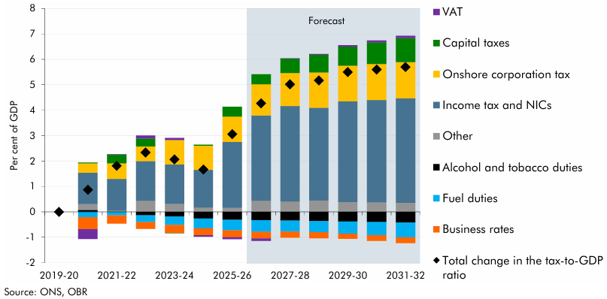

 |  | 2019-20 | 2020-21 | 2021-22 | 2022-23 | 2023-24 | 2024-25 | 2025-26 | 2026-27 | 2027-28 | 2028-29 | 2029-30 | 2030-31 | 2031-32
 | Income tax and NICs | 0.0 | 1.2 | 1.2 | 1.6 | 1.5 | 1.5 | 2.6 | 3.4 | 3.8 | 3.6 | 4.0 | 4.0 | 4.1
 | Onshore corporation tax | 0.0 | 0.4 | 0.6 | 0.6 | 1.0 | 0.9 | 1.0 | 1.2 | 1.3 | 1.4 | 1.4 | 1.4 | 1.4
 | Capital taxes | 0.0 | 0.0 | 0.3 | 0.3 | 0.0 | 0.0 | 0.4 | 0.4 | 0.6 | 0.7 | 0.7 | 0.8 | 0.9
 | VAT | 0.0 | -0.4 | 0.0 | 0.1 | 0.1 | -0.1 | -0.1 | -0.1 | 0.0 | 0.0 | 0.1 | 0.1 | 0.1
 | Business rates | 0.0 | -0.5 | -0.3 | -0.3 | -0.3 | -0.3 | -0.3 | -0.3 | -0.2 | -0.2 | -0.2 | -0.2 | -0.2
 | Alcohol and tobacco duties | 0.0 | 0.1 | 0.0 | -0.1 | -0.2 | -0.3 | -0.3 | -0.3 | -0.3 | -0.4 | -0.4 | -0.4 | -0.4
 | Fuel duties | 0.0 | -0.2 | -0.1 | -0.3 | -0.3 | -0.4 | -0.4 | -0.5 | -0.4 | -0.4 | -0.5 | -0.5 | -0.6
 | Other | 0.0 | 0.2 | 0.0 | 0.4 | 0.3 | 0.2 | 0.2 | 0.4 | 0.4 | 0.4 | 0.4 | 0.4 | 0.4
 | Total change in the tax-to-GDP ratio | 0.0 | 0.9 | 1.8 | 2.3 | 2.1 | 1.7 | 3.1 | 4.3 | 5.0 | 5.2 | 5.5 | 5.6 | 5.7

C4.3
Back to contents
 | Chart 4.3: Drivers of the rise in the tax-to-GDP ratio from 2019-20 to 2031-32

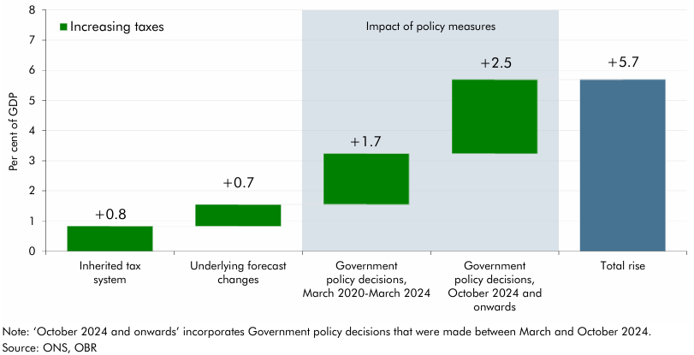

 |  | Per cent
 | Inherited tax system | 0.8
 | OBR forecast revisions | 0.7
 | Government policy decisions, March 2020-March 2024 | 1.7
 | Government policy decisions, October 2024 onwards | 2.5
 | Total rise | 5.7

C4.4
Back to contents
 | Chart 4.4: Sensitivity of receipts to determinants and the tax gap
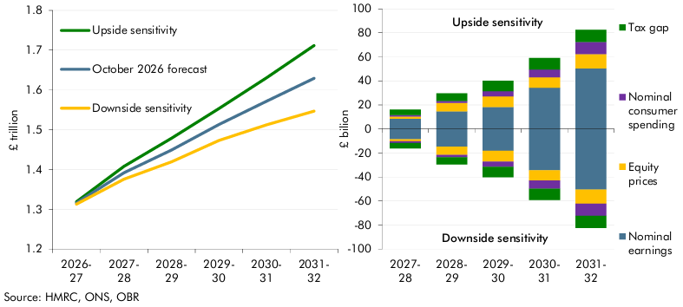

 | Receipts impact | 2026- 27 | 2027- 28 | 2028- 29 | 2029- 30 | 2030- 31 | 2031- 32
 | Downside sensitivity | 1.3 | 1.4 | 1.4 | 1.5 | 1.5 | 1.5
 | October 2026 forecast | 1.3 | 1.4 | 1.4 | 1.5 | 1.6 | 1.6
 | Upside sensitivity | 1.3 | 1.4 | 1.5 | 1.6 | 1.6 | 1.7

 | Contributions to change | 2026- 27 | 2027- 28 | 2028- 29 | 2029- 30 | 2030- 31 | 2031- 32
 | Nominal earnings (up) | 0.0 | 8.6 | 14.7 | 18.2 | 34.4 | 50.4
 | Nominal consumer spending (up) | 0.0 | 1.4 | 1.8 | 4.2 | 6.8 | 10.2
 | Equity prices (up) | 0.0 | 1.7 | 7.0 | 9.0 | 8.4 | 11.8
 | Tax gap (up) | 3.2 | 4.5 | 6.1 | 8.6 | 9.4 | 10.0
 | Nominal earnings level (down) | 0.0 | -8.6 | -14.7 | -18.2 | -34.4 | -50.4
 | Nominal consumer spend (down) | 0.0 | -1.4 | -1.8 | -4.2 | -6.8 | -10.2
 | Equity prices (down) | 0.0 | -1.7 | -7.0 | -9.0 | -8.4 | -11.8
 | Tax gap (down) | -3.2 | -4.5 | -6.1 | -8.6 | -9.4 | -10.0

C4.5
Back to contents
 | Chart 4.5: Receipts: drivers of the change since March

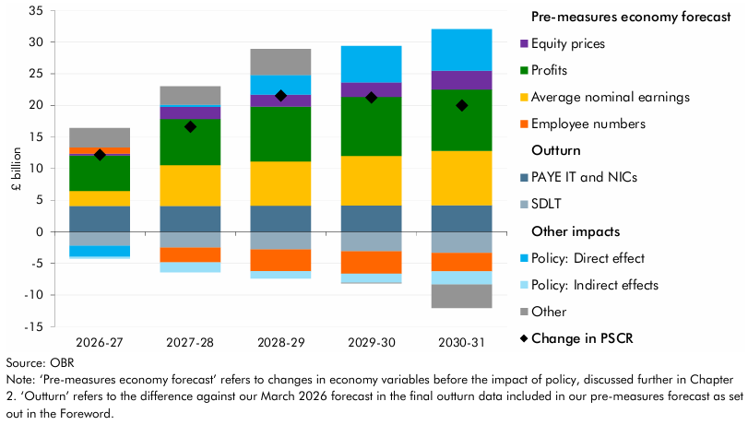

 |  | 2026-27 | 2027-28 | 2028-29 | 2029-30 | 2030-31
 | Pre-measures economy forecast
 | Average nominal earnings | 2.3 | 6.4 | 7.0 | 7.8 | 8.6
 | Profits | 5.6 | 7.3 | 8.7 | 9.3 | 9.8
 | Equity prices | 0.3 | 1.9 | 1.9 | 2.3 | 2.9
 | Employee numbers | 1.0 | -2.3 | -3.4 | -3.6 | -2.9
 | Outturn
 | PAYE IT and NICs | 4.1 | 4.1 | 4.1 | 4.2 | 4.2
 | SDLT | -2.2 | -2.5 | -2.8 | -3.1 | -3.3
 | Other
 | Policy | -2.0 | -1.2 | 1.9 | 4.3 | 4.5
 | Policy: Direct effect | -1.7 | 0.3 | 3.1 | 5.8 | 6.6
 | Policy: Indirect effects | -0.3 | -1.6 | -1.1 | -1.4 | -2.1
 | Other | 3.1 | 2.9 | 4.1 | -0.1 | -3.7

 | Change in PSCR | 12.2 | 16.6 | 21.5 | 21.2 | 20.0

C4.6
Back to contents
 | Chart 4.6: UK oil and gas production

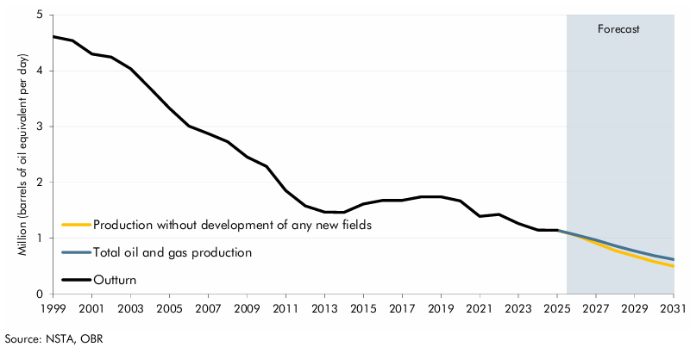

 |  | 1999 | 2000 | 2001 | 2002 | 2003 | 2004 | 2005 | 2006 | 2007 | 2008 | 2009 | 2010 | 2011 | 2012 | 2013 | 2014 | 2015 | 2016 | 2017 | 2018 | 2019 | 2020 | 2021 | 2022 | 2023 | 2024 | 2025 | 2026 | 2027 | 2028 | 2029 | 2030 | 2031
 | Production without development of any new fields |  |  |  |  |  |  |  |  |  |  |  |  |  |  |  |  |  |  |  |  |  |  |  |  |  |  | 1.1 | 1.0 | 0.9 | 0.8 | 0.7 | 0.6 | 0.5
 | Total oil and gas production |  |  |  |  |  |  |  |  |  |  |  |  |  |  |  |  |  |  |  |  |  |  |  |  |  |  | 1.1 | 1.1 | 1.0 | 0.9 | 0.8 | 0.7 | 0.6
 | Outturn | 4.6 | 4.5 | 4.3 | 4.2 | 4.0 | 3.7 | 3.3 | 3.0 | 2.9 | 2.7 | 2.5 | 2.3 | 1.9 | 1.6 | 1.5 | 1.5 | 1.6 | 1.7 | 1.7 | 1.7 | 1.7 | 1.7 | 1.4 | 1.4 | 1.3 | 1.1 | 1.1

C4.A
Back to contents
 | Chart 4.A: Impact of M&A activity on losses used and oil and gas receipts

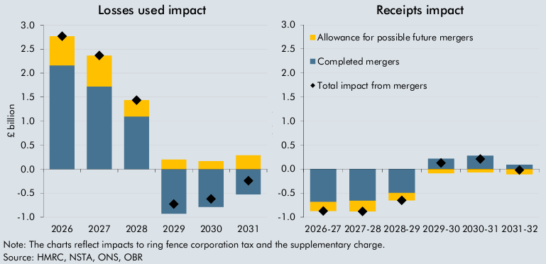

 | Losses used impact | 2026 | 2027 | 2028 | 2029 | 2030 | 2031
 | Completed mergers | 2.2 | 1.7 | 1.1 | -0.9 | -0.8 | -0.5
 | Allowance for possible future mergers | 0.6 | 0.6 | 0.3 | 0.2 | 0.2 | 0.3
 | Total impact from mergers | 2.8 | 2.4 | 1.4 | -0.7 | -0.6 | -0.2

 | Receipts impact | 2026-27 | 2027-28 | 2028-29 | 2029-30 | 2030-31 | 2031-32
 | Completed mergers | -0.7 | -0.7 | -0.5 | 0.2 | 0.3 | 0.1
 | Allowance for possible future mergers | -0.2 | -0.2 | -0.2 | -0.1 | -0.1 | -0.1
 | Total impact from mergers | -0.9 | -0.9 | -0.7 | 0.1 | 0.2 | 0.0

C4.7
Back to contents
 | Chart 4.7: Successive fuel duty forecasts and outturn

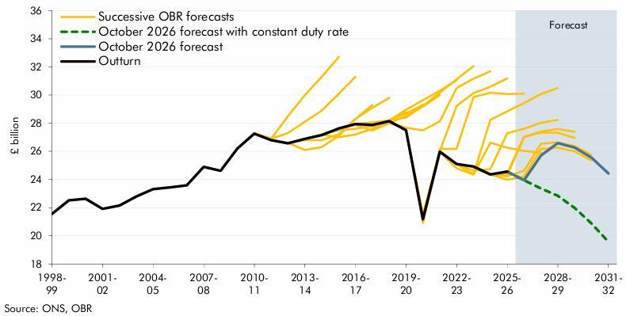

 |  | 1998-99 | 1999-00 | 2000-01 | 2001-02 | 2002-03 | 2003-04 | 2004-05 | 2005-06 | 2006-07 | 2007-08 | 2008-09 | 2009-10 | 2010-11 | 2011-12 | 2012-13 | 2013-14 | 2014-15 | 2015-16 | 2016-17 | 2017-18 | 2018-19 | 2019-20 | 2020-21 | 2021-22 | 2022-23 | 2023-24 | 2024-25 | 2025-26 | 2026-27 | 2027-28 | 2028-29 | 2029-30 | 2030-31 | 2031-32
 | Outturn | 21553 | 22515 | 22630 | 21916 | 22147 | 22786 | 23313 | 23438 | 23585 | 24905 | 24615 | 26197 | 27256 | 26798 | 26571 | 26882 | 27156 | 27622 | 27937 | 27878 | 28146 | 27502 | 21175 | 25972 | 25105 | 24922 | 24359 | 24559
 | October 2026 forecast |  |  |  |  |  |  |  |  |  |  |  |  |  |  |  |  |  |  |  |  |  |  |  |  |  |  |  | 24559 | 23950 | 25713 | 26581 | 26267 | 25551 | 24432
 | October 2026 forecast with constant duty rate |  |  |  |  |  |  |  |  |  |  |  |  |  |  |  |  |  |  |  |  |  |  |  |  |  |  |  | 24559 | 23950 | 23365 | 22842 | 21978 | 20875 | 19564
 | March 2026 forecast |  |  |  |  |  |  |  |  |  |  |  |  |  |  |  |  |  |  |  |  |  |  |  |  |  |  | 24359 | 24242 | 24629 | 26546 | 26636 | 26382 | 25741
 | AB25 |  |  |  |  |  |  |  |  |  |  |  |  |  |  |  |  |  |  |  |  |  |  |  |  |  |  | 24359 | 23979 | 24218 | 26173 | 26258 | 25996 | 25344
 | SF25 |  |  |  |  |  |  |  |  |  |  |  |  |  |  |  |  |  |  |  |  |  |  |  |  |  | 24828 | 24369 | 24444 | 27047 | 27336 | 27326 | 26954
 | AB24 |  |  |  |  |  |  |  |  |  |  |  |  |  |  |  |  |  |  |  |  |  |  |  |  |  | 24828 | 24330 | 24308 | 26999 | 27412 | 27595 | 27394
 | SF24 |  |  |  |  |  |  |  |  |  |  |  |  |  |  |  |  |  |  |  |  |  |  |  |  | 25100 | 24631 | 24741 | 27286 | 27608 | 28028 | 28231
 | AB23 |  |  |  |  |  |  |  |  |  |  |  |  |  |  |  |  |  |  |  |  |  |  |  |  | 25100 | 24367 | 28240 | 28845 | 29437 | 30071 | 30500
 | SB23 |  |  |  |  |  |  |  |  |  |  |  |  |  |  |  |  |  |  |  |  |  |  | 20932 | 25943 | 24799 | 24349 | 26621 | 26262 | 26034 | 25897
 | SB22 |  |  |  |  |  |  |  |  |  |  |  |  |  |  |  |  |  |  |  |  |  | 27572 | 20934 | 26177 | 26174 | 29858 | 30160 | 30073 | 30101
 | SB21 |  |  |  |  |  |  |  |  |  |  |  |  |  |  |  |  |  |  |  |  |  | 27572 | 21538 | 26032 | 29225 | 30145 | 30594 | 31188
 | SB20 |  |  |  |  |  |  |  |  |  |  |  |  |  |  |  |  |  |  |  |  | 27993 | 27680 | 27488 | 28132 | 30507 | 31165 | 31687
 | SB19 |  |  |  |  |  |  |  |  |  |  |  |  |  |  |  |  |  |  |  | 27878 | 28203 | 28401 | 29234 | 30170 | 31120 | 32059
 | SB18 |  |  |  |  |  |  |  |  |  |  |  |  |  |  |  |  |  |  | 27937 | 28068 | 28198 | 28949 | 29636 | 30312 | 31049
 | SB17 |  |  |  |  |  |  |  |  |  |  |  |  |  |  |  |  |  | 27622 | 27874 | 27486 | 27998 | 28524 | 29193 | 29994
 | SB16 |  |  |  |  |  |  |  |  |  |  |  |  |  |  |  |  | 27200 | 27500 | 27600 | 27800 | 28200 | 28700 | 29300
 | SB15 |  |  |  |  |  |  |  |  |  |  |  |  |  |  |  | 26900 | 27200 | 27000 | 27200 | 27600 | 28200 | 28800
 | SB14 |  |  |  |  |  |  |  |  |  |  |  |  |  |  | 26600 | 26800 | 26800 | 27200 | 28300 | 29100 | 29800
 | SB13 |  |  |  |  |  |  |  |  |  |  |  |  |  | 26800 | 26600 | 26100 | 26300 | 27100 | 28300 | 29300
 | SB12 |  |  |  |  |  |  |  |  |  |  |  |  | 27300 | 26900 | 27300 | 28100 | 28900 | 30100 | 31300
 | SB11 |  |  |  |  |  |  |  |  |  |  |  |  | 27300 | 26900 | 28500 | 30000 | 31300 | 32700

